Sheet1
dataset | HaGrid | Dgrid | Ours
Sensorless_drive_diagnosis | 3.10% | 0.10% | 0.80%
Condition_based_maintenance | 0.30% | 0.00% | 0.40%
Cup98LRN | 3.00% | 1.10% | 0.10%
Google_playstore_sentiment | 0.20% | 0.10% | 0.40%
BeijingPM2.5 | 13.20% | 0.50% | 0.20%
Human_activity_recognition | 6.60% | 0.90% | 0.30%
Crowd_sourced_mapping | 0.30% | 0.00% | 0.40%
Telescope | 0.60% | 0.00% | 0.70%
Credit_card_fraud | 2.20% | 1.80% | 0.10%
MoCap | 0.50% | 0.10% | 0.50%
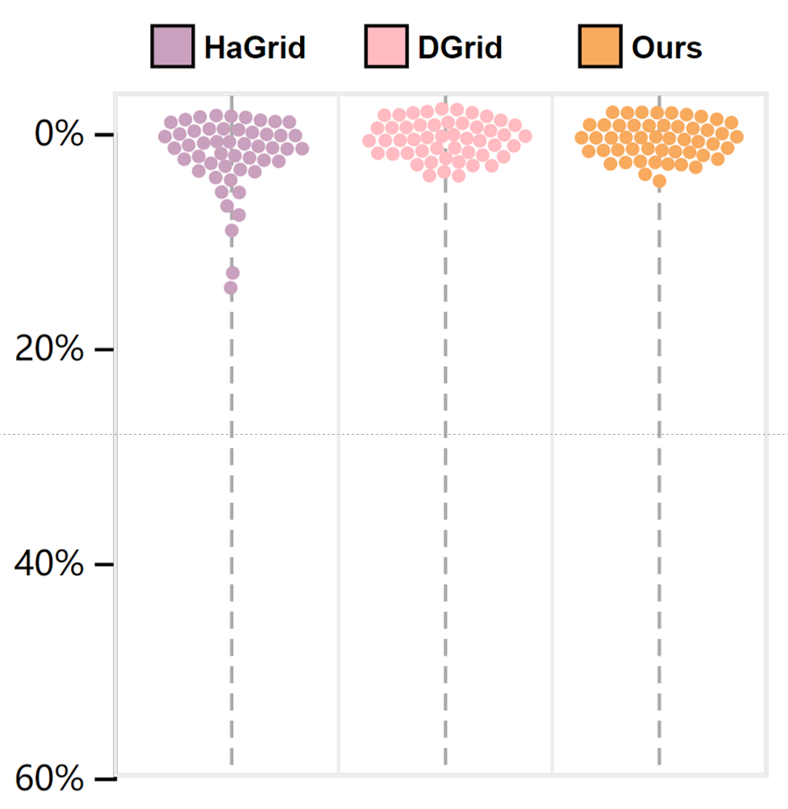
BlackFriday | 0.00% | 0.40% | 0.10%
2008_cancelled_flights | 7.40% | 1.50% | 0.40%
Barcelona_accident | 0.50% | 0.10% | 0.30%
HT_sensor | 2.20% | 2.40% | 4.30%
Epileptic_seizure | 0.20% | 0.00% | 0.40%
Terrorism | 5.20% | 1.40% | 0.20%
Mnist_tsne | 0.00% | 0.00% | 0.30%
Swiss_roll_3d | 0.30% | 0.00% | 0.40%
Nomao | 1.30% | 0.70% | 0.20%
Person_activity | 2.10% | 0.20% | 0.30%
Diamonds | 8.90% | 0.20% | 0.20%
Wine | 0.10% | 0.50% | 0.20%
Gas_sensor_array_drift | 13.90% | 0.10% | 0.60%
Abalone | 0.20% | 0.00% | 0.60%
Gesture_phase | 0.80% | 0.00% | 0.50%
CS_rankings | 0.00% | 0.00% | 0.50%
Satimage | 3.30% | 0.00% | 1.30%
Avila | 2.90% | 0.00% | 0.30%
Forest_covertype | 1.00% | 2.20% | 0.20%
Clothes | 0.10% | 0.00% | 0.40%
News_popularity | 0.10% | 0.10% | 0.10%
Grammatical_facial_expression | 5.30% | 0.10% | 0.70%
Swiss_roll_2d | 0.20% | 0.00% | 0.90%
Hathi_trust_library | 0.10% | 0.50% | 0.10%
Daily_sports | 0.70% | 2.30% | 1.30%
Manhattan | 0.30% | 0.00% | 0.70%
worse
Phyllotaxis | 0.20% | 0.00% | 0.60%
Basketball | 0.60% | 0.00% | 0.60%
Dc_census_citizens | 0.20% | 0.30% | 0.10%
Chicago_crimes | 0.30% | 0.30% | 0.20%
DBLP_samples | 0.00% | 0.30% | 0.20%
Music | 0.10% | 0.00% | 0.40%
News | 0.10% | 0.00% | 0.40%
Paleontology | 0.20% | 0.00% | 0.40%
COVID-19_deaths | 1.90% | 0.20% | 0.40%
GridGena | 0.10% | 0.00% | 0.30%
GaAsH6 | 0.30% | 0.10% | 0.40%
Copter | 0.20% | 0.00% | 0.40%
News_aggregator | 1.80% | 2.70% | 0.20%
GNFUV | 1.40% | 0.20% | 0.20%

